Exercise
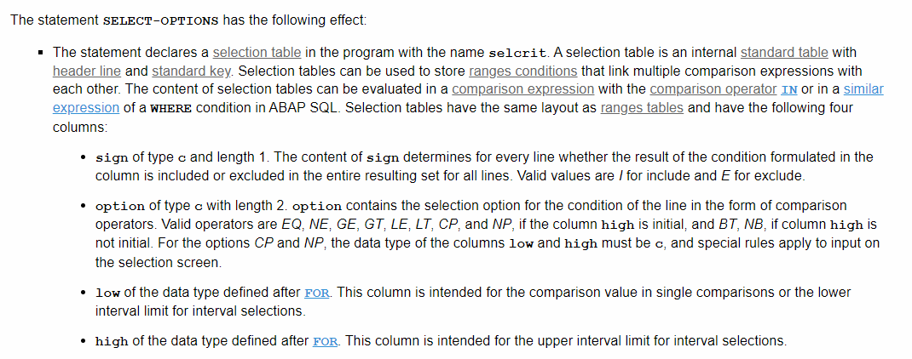
Exercise 1:

 | Target Table: |  | SPFLI | Flight schedule
 |  |  | SLFIGHT | Flight Information
 |  |  | T005T | Country Name
 |  |  | SCARR | Airline

 | Selection Screen:
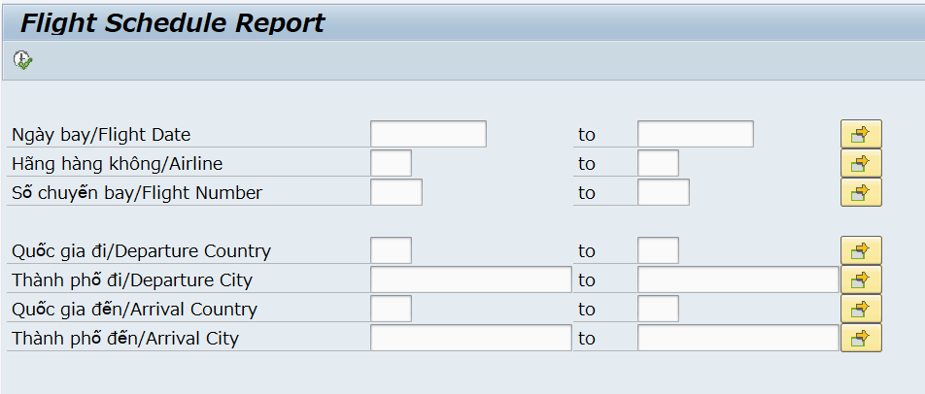

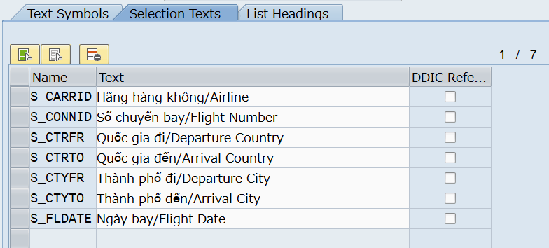

 | Report Output:
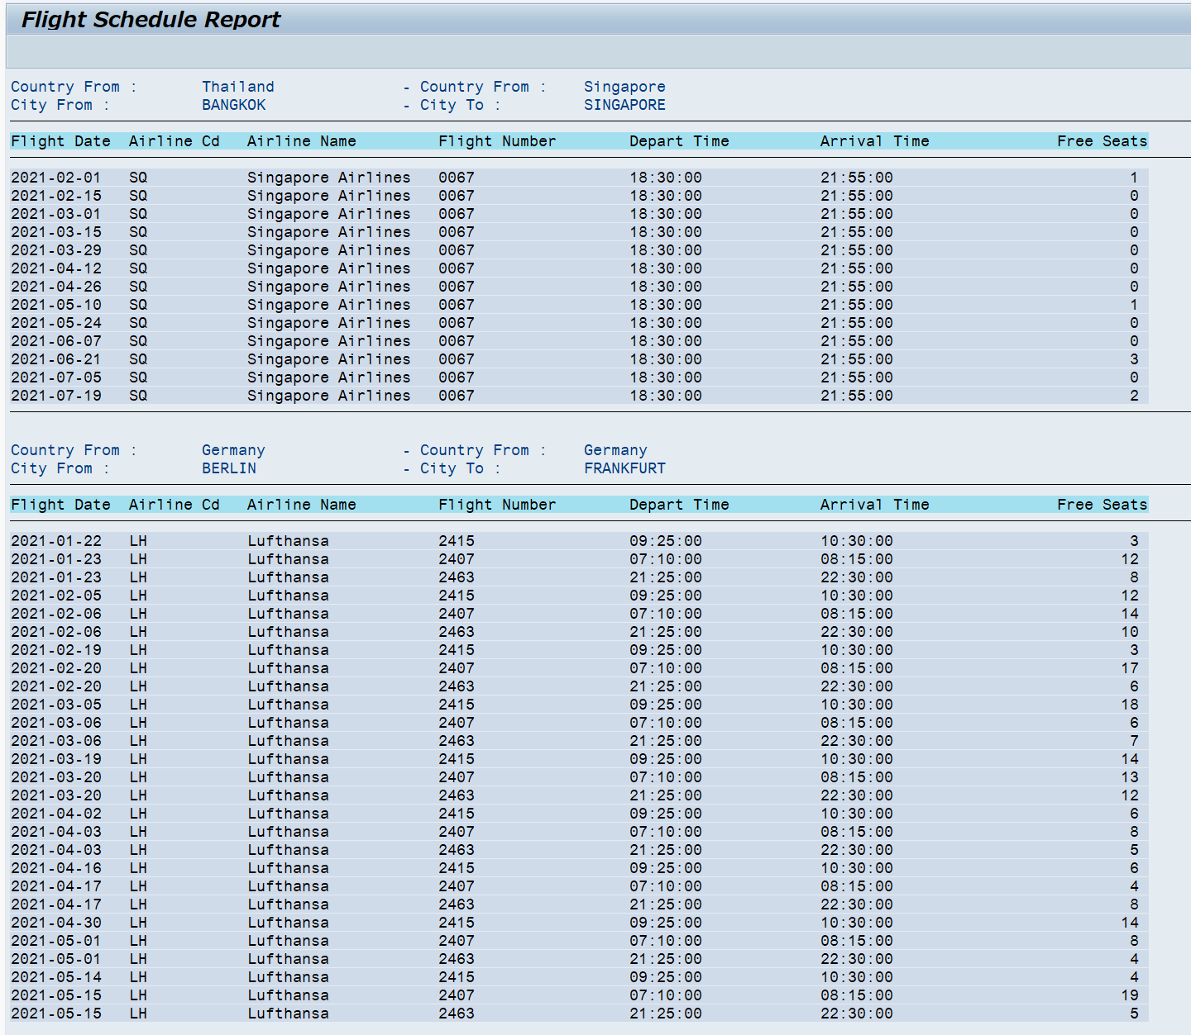

 | *** You can check the Technical design for program outline

Exercise 2:

 | On Selection Screen, add 2 parameters
 |  | Search Vendor Name: |  |  |  | 40 Characters

 |  | Rows limit: |  |  |  | an integer parameter with default value '20'

 | Relationship of tables:
 |  | Supplier Master |  | LFA1
 |  |  |  |  | ADRNR
 |  | Address Master |  | ADRC

 | Write a program to output Supplier list filter by Searching keyword
 | Width: | 6 cols | 15 cols |  | 60 cols |  | 80 cols |  | 20 cols
 |  | No. | Supplier number |  | Name |  | Address |  | Telephone
 |  | 1 | LFA1-LIFNR |  | Concatenate LFA1-Name 1 (NAME1) |  | ADRC-City (CITY1), ADRC-District (CITY2), ADRC-Street (STREET)
 |  |  |  |  | and ADRC-Name 2 (AD_NAME2)

 | Main Logic:
 |  | 1. If Search Vendor Name is blank then show all vendors
 |  | 2. Show only the top rows of searching results with respect to <Rows limit>
 |  |  | ** Hint: Use SELECT * UP TO n ROWS FROM <table> INTO TABLE <internal_table>
 |  | 3. A record is matched with search result when
 |  |  | LFA1-Name 1 (NAME1) contains the search string
 |  |  | Or ADRC-Name 2 (AD_NAME2) contains the search string
 |  |  | ** Hint: Use WHERE … LIKE

Exercise 3:

 | On Selection Screen, add 2 parameters
 |  | Search User: |  |  |  | 40 Characters

 |  | Rows limit: |  |  |  | an integer parameter with default value '20'

 | Relationship of tables:
 |  | User Info Master |  | USR21
 |  |  |  |  | PERSNUMBER
 |  | Address Master |  | ADRP

 | Write a program to output User list filter by Searching keyword
 | Width: | 6 cols | 15 cols |  | 40 cols |  | 40 cols | 20 cols | 20 cols
 |  | No. | Username |  | First Name |  | Last Name | Valid From | Valid To
 |  | 1 | USR21-BNAME |  | ADRP-NAME_FIRST |  | ADRP-NAME_LAST | DATE_FROM | DATE_TO

 | Main Logic:
 |  | 1. If Search Search User is blank then show all vendors
 |  | 2. Show only the top rows of searching results with respect to <Rows limit>
 |  |  | ** Hint: Use SELECT * UP TO n ROWS FROM <table> INTO TABLE <internal_table>
 |  | 3. A record is matched with search result when
 |  |  | USR21-BNAME contains the search string
 |  |  | Or ADRP-NAME_FIRST contains the search string
 |  |  | Or ADRP-NAME_LAST contains the search string

 |  | 4. DO NOT USE WHERE … LIKE …
 |  | 5. Use Range Table for WHERE condition

 |  |  | " Data Declaration
 |  |  | DATA: GR_BNAME TYPE RANGE OF USR21-BNAME.
 |  |  | DATA: GS_R_BNAME LIKE LINE OF GR_BNAME.

 |  |  | " Selection Screeb
 |  |  | PARAMETERS: P_SEARCH TYPE TEXT40.

 |  |  | " Create Range Table
 |  |  | CLEAR: GS_R_BNAME.
 |  |  | GS_R_BNAME-LOW = '*' && P_SEARCH && '*'.
 |  |  | GS_R_BNAME-SIGN = 'I'.
 |  |  | GS_R_BNAME-OPTION = 'CP'.

 |  |  | APPEND GS_R_BNAME TO GR_BNAME.

 |  |  | * Explain:
 |  |  |  | GR_BNAME is a range table
 |  |  |  | Range Table has a similar structure as a Select-Option on screen. It has 4 fields: LOW, HIGH, SIGN, OPTION
 |  |  |  | SIGN has 2 valid values: 'I' Include and 'E' Exclude. Including means that it will get all data that match the conditions. Excluding means that it will get all data EXCEPT for data of the conditions.
 |  |  |  | OPTION has mutiple values, you can check SAP Help
 |  |  |  |  | EQ | Equal the value in LOW
 |  |  |  |  | BT | Between the value of LOW and the value of HIGH
 |  |  |  |  | CP | Contain pattern e.g. "*ABCXC*", It accepts wild-card values such as: '+', '_', '*'

 |  |  |  | How to use in WHERE? Same as SELECT-OPTIONS: WHERE BNAME IN GR_BNAME

Evidence
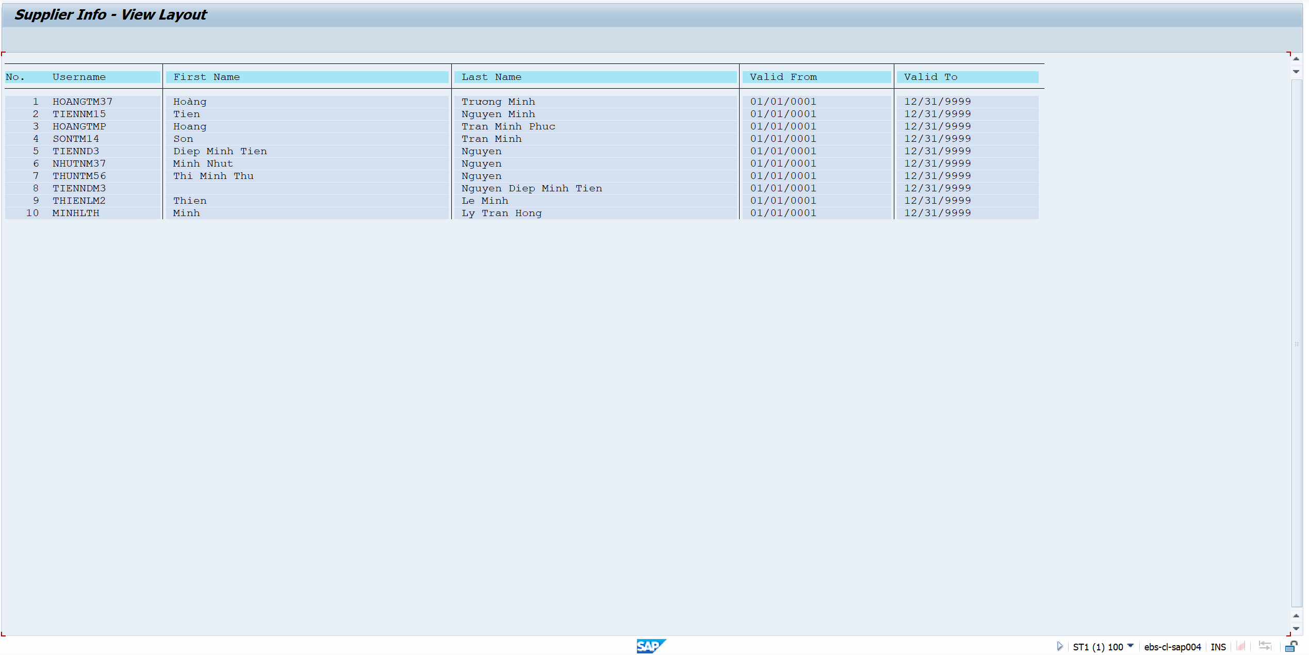
Exercise/Remarks |  | Screenshots

Exercise 1 |  | Program Name: |  | YANNP7_D05_EX01

 |  |  | <screenshot>

 |  | Case 1: No input



 |  | Output
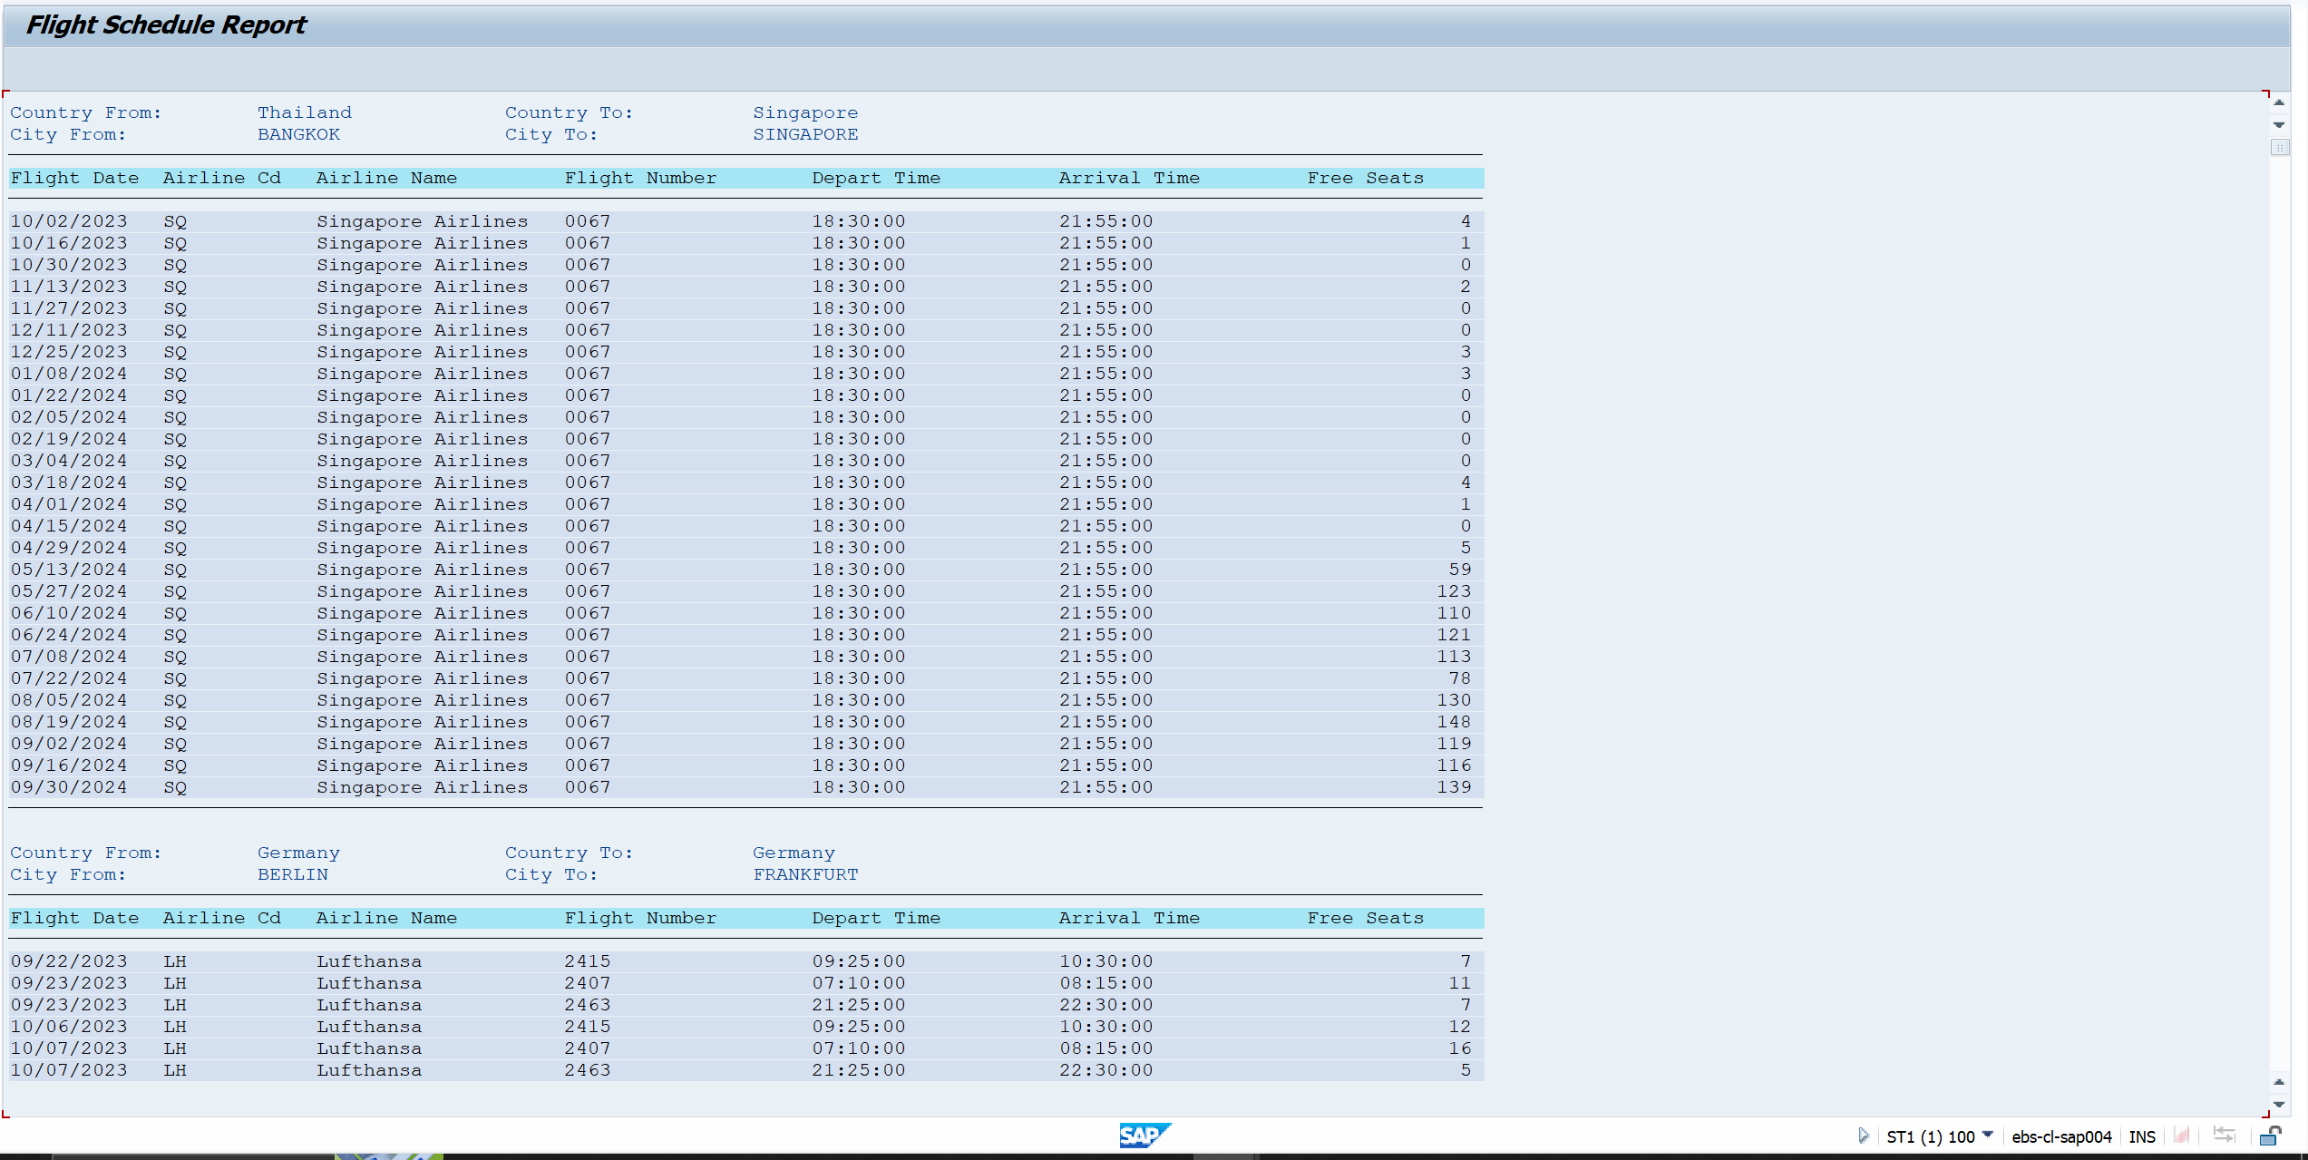

 |  | Case 2: Departure country = JP, Departure city = TOKYO



 |  |  | Output
 | 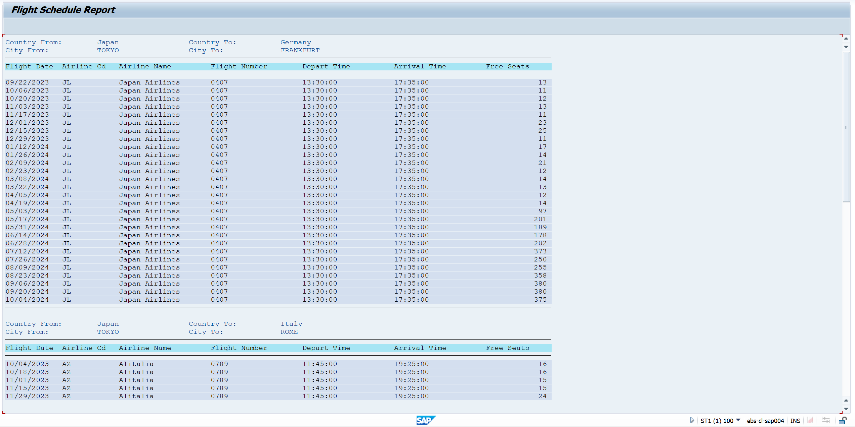
Exercise 2 |  | Program Name: |  | YANNP7_D05_EX02

 |  |  | <screenshot>

 |  | Case 1: Vendor name = Domestic, Rows limit = 20

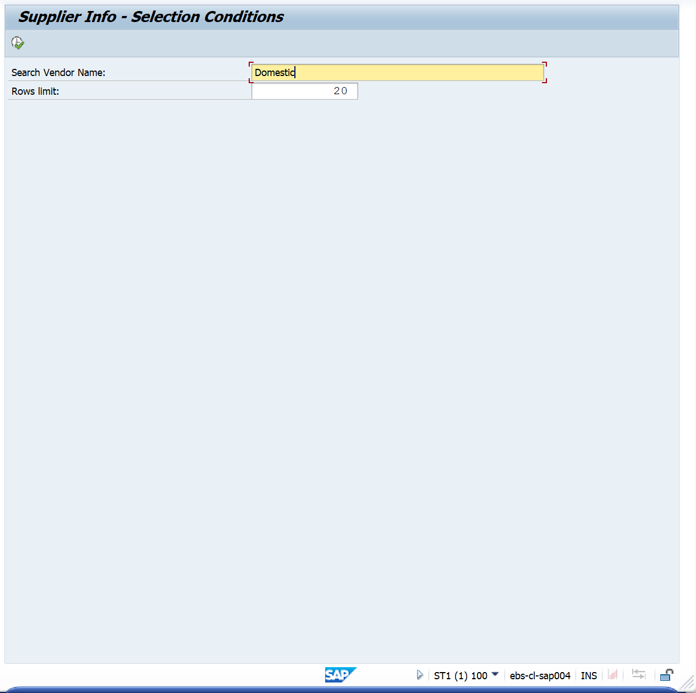

 |  |  | Output
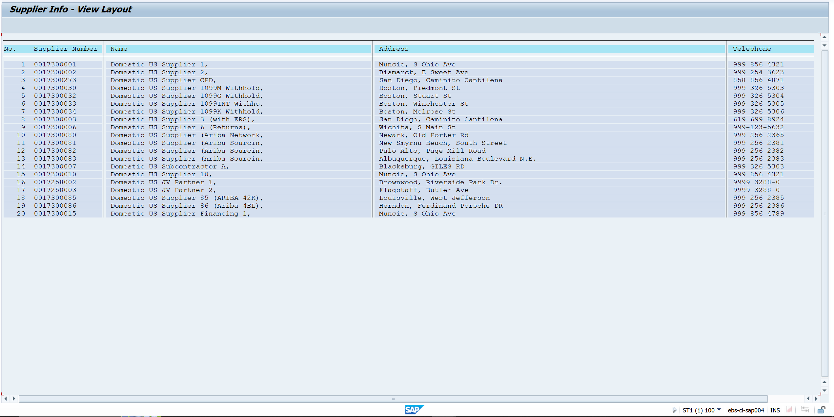

 |  |  | Case 2: Vendor Name = FPT, Rows limit = 40

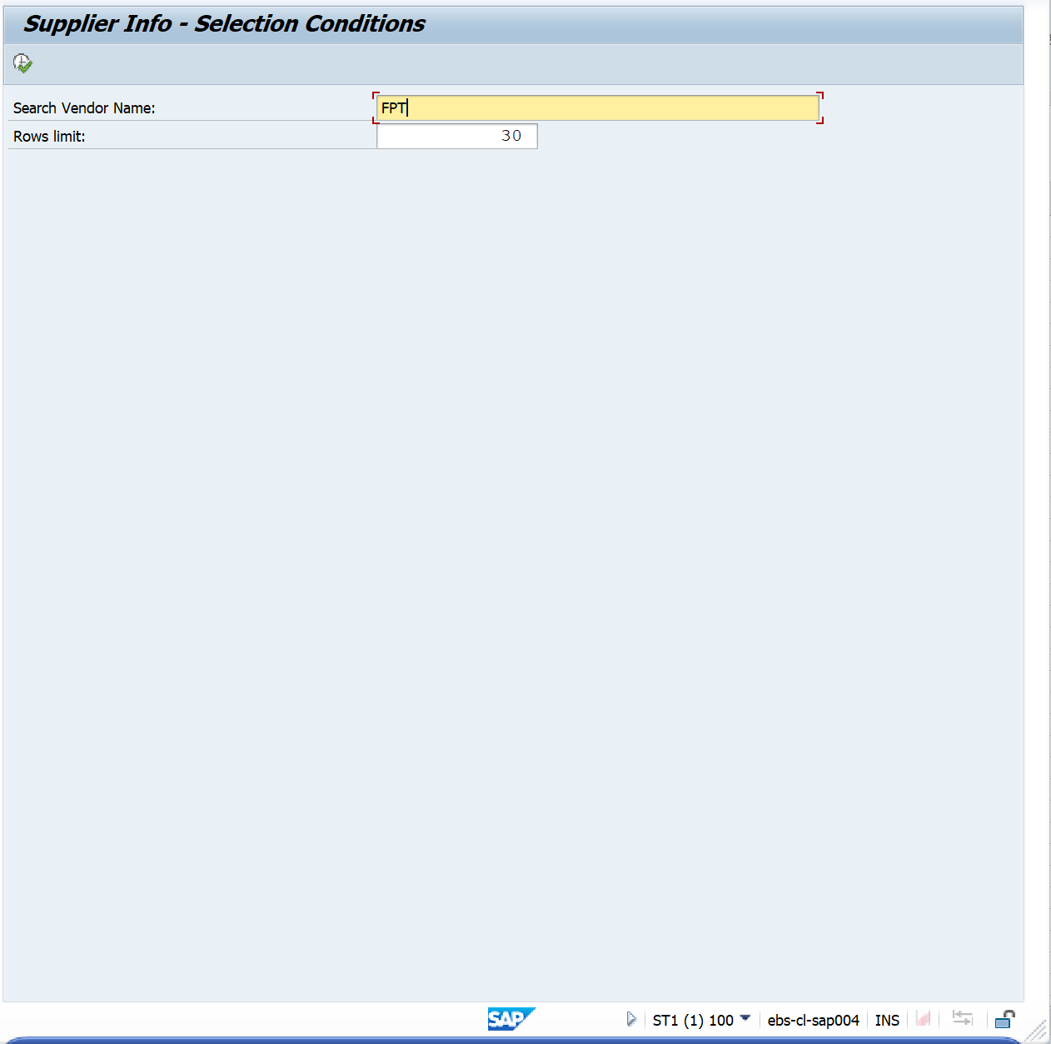

 |  |  | Output

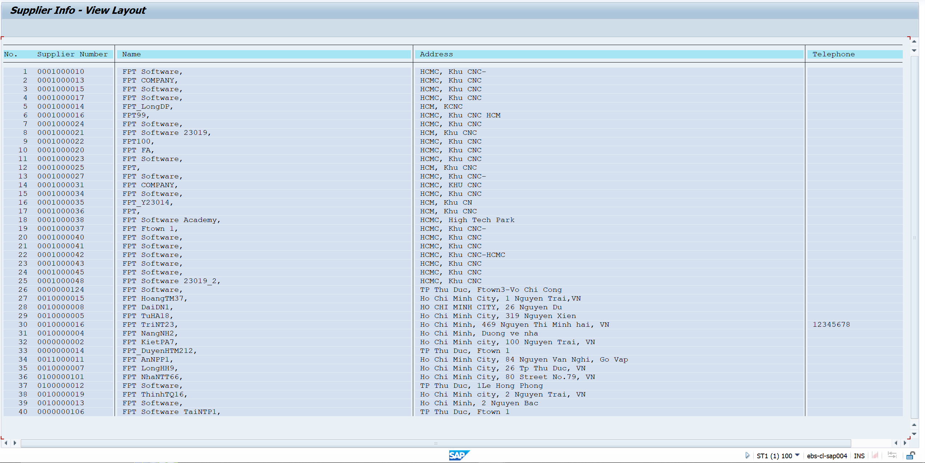

Exercise 3 |  | Program Name: |  | YANNP7_D05_EX03

 |  |  | <screenshot>

 |  | Case 1: Search User = Anh, Rows limit = 20
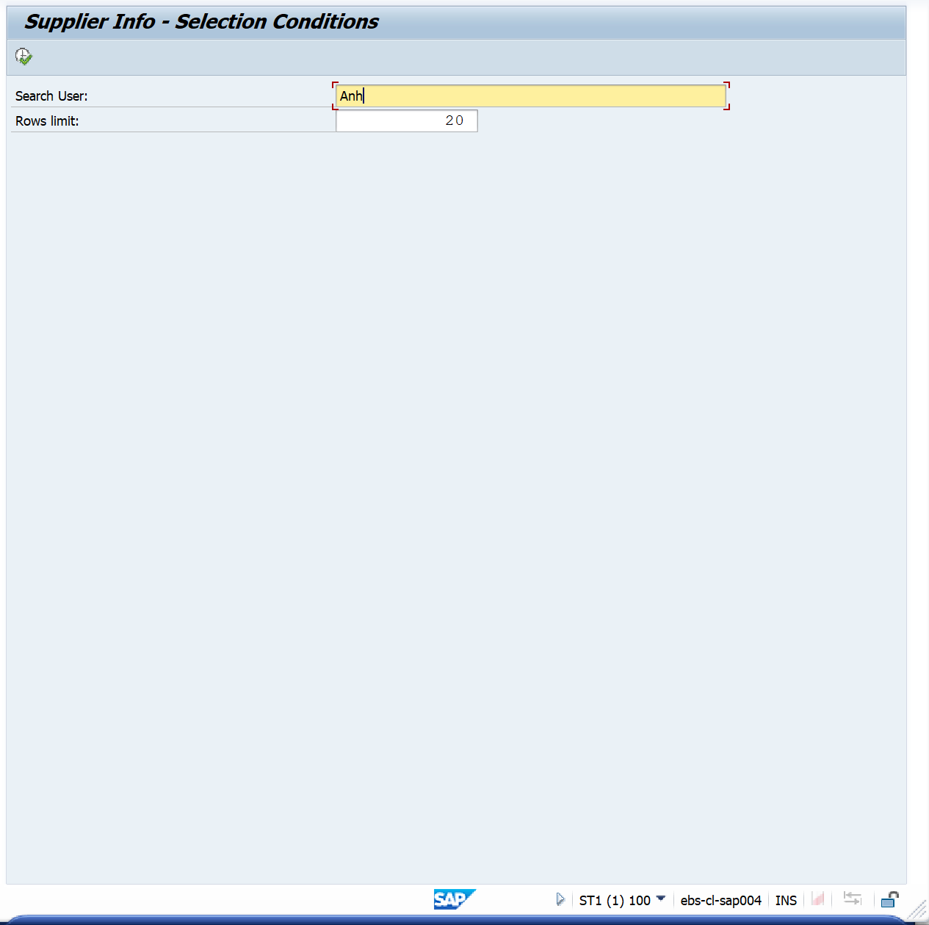

 |  |  | Output

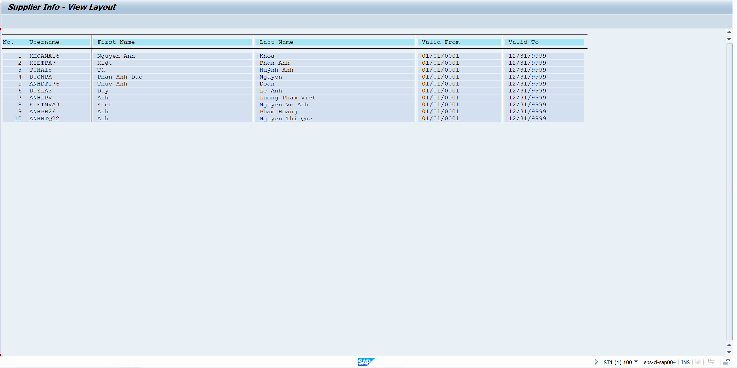

 |  |  | Case 2: Search User = Minh, Rows limit = 10

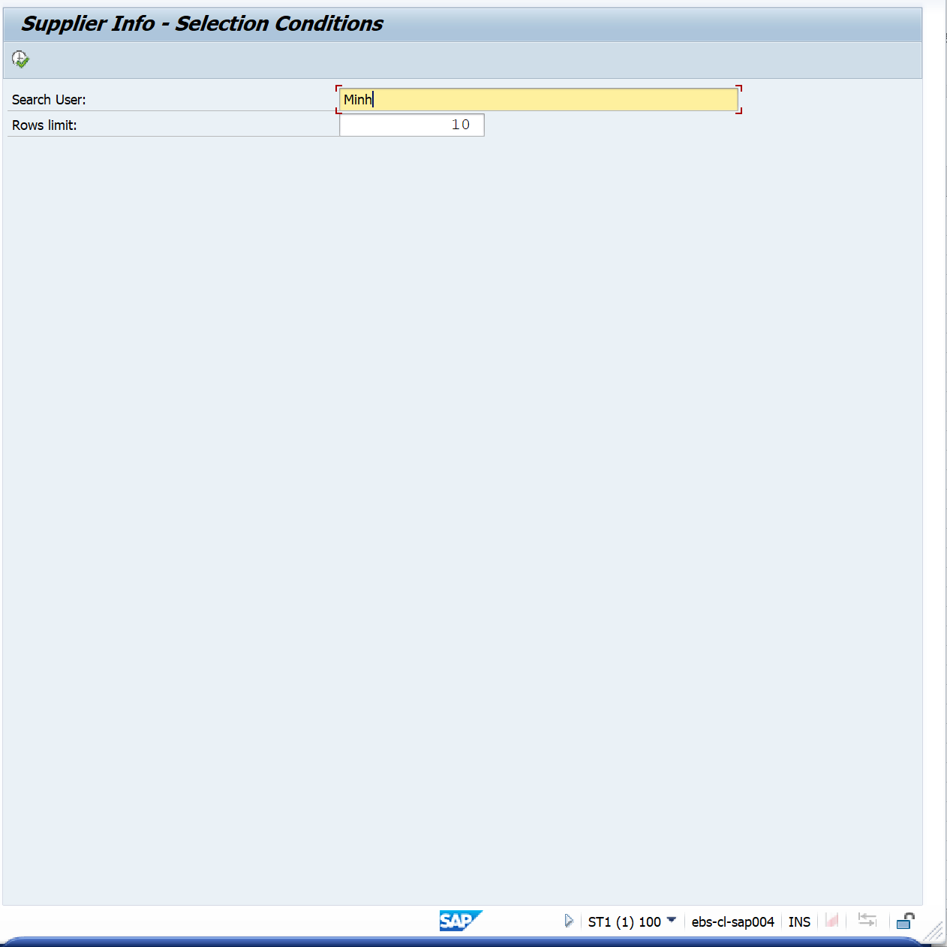

 |  |  | Output

